Web Client
 |  | [ros-2018] Restaurant Ordering System | System Name | Screen/Module Name
 |  |  | Golden Bowl | Screen Transition | Version | 2.000
 |  |  |  |  | Create Date | 2018-07-21 | Created By | Oplas, Andrew
 |  |  |  |  | Update Date | 2018-10-17 | Updated by | Oplas, Andrew

Basic Flow

 | 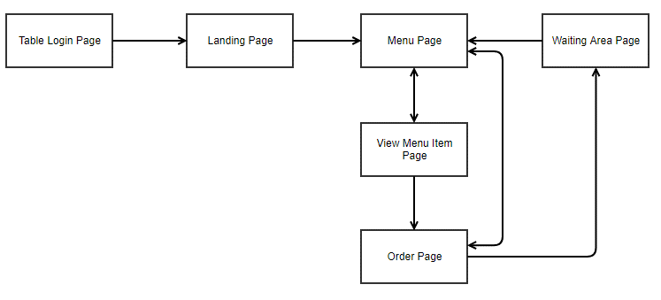 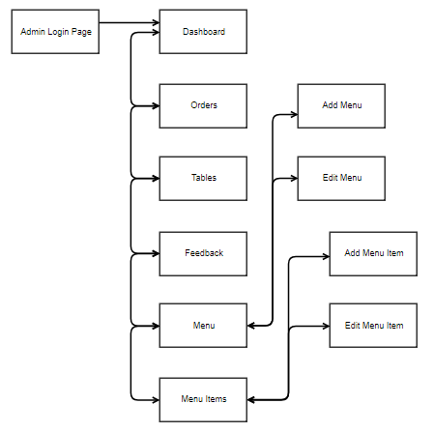

ADMIN SIDE

USER SIDE
Feedback Page

